Model - UX Evaluation
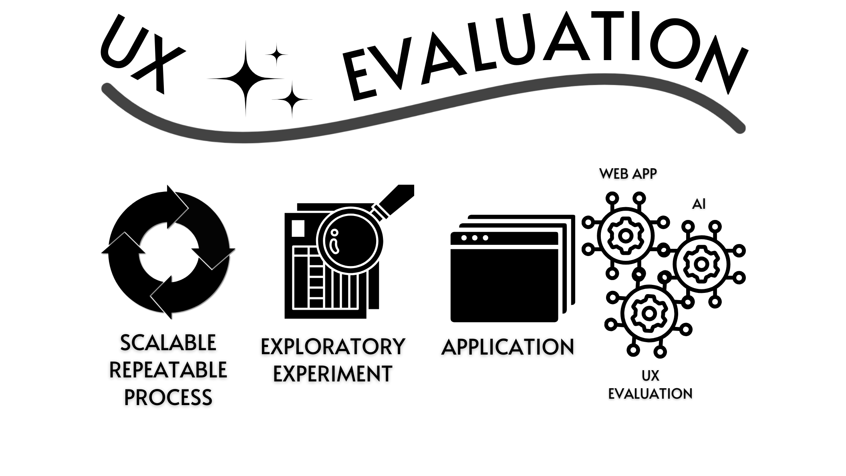

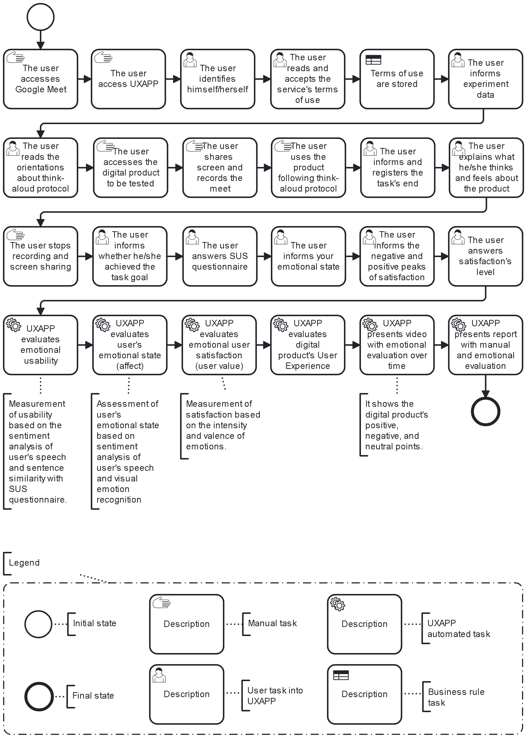
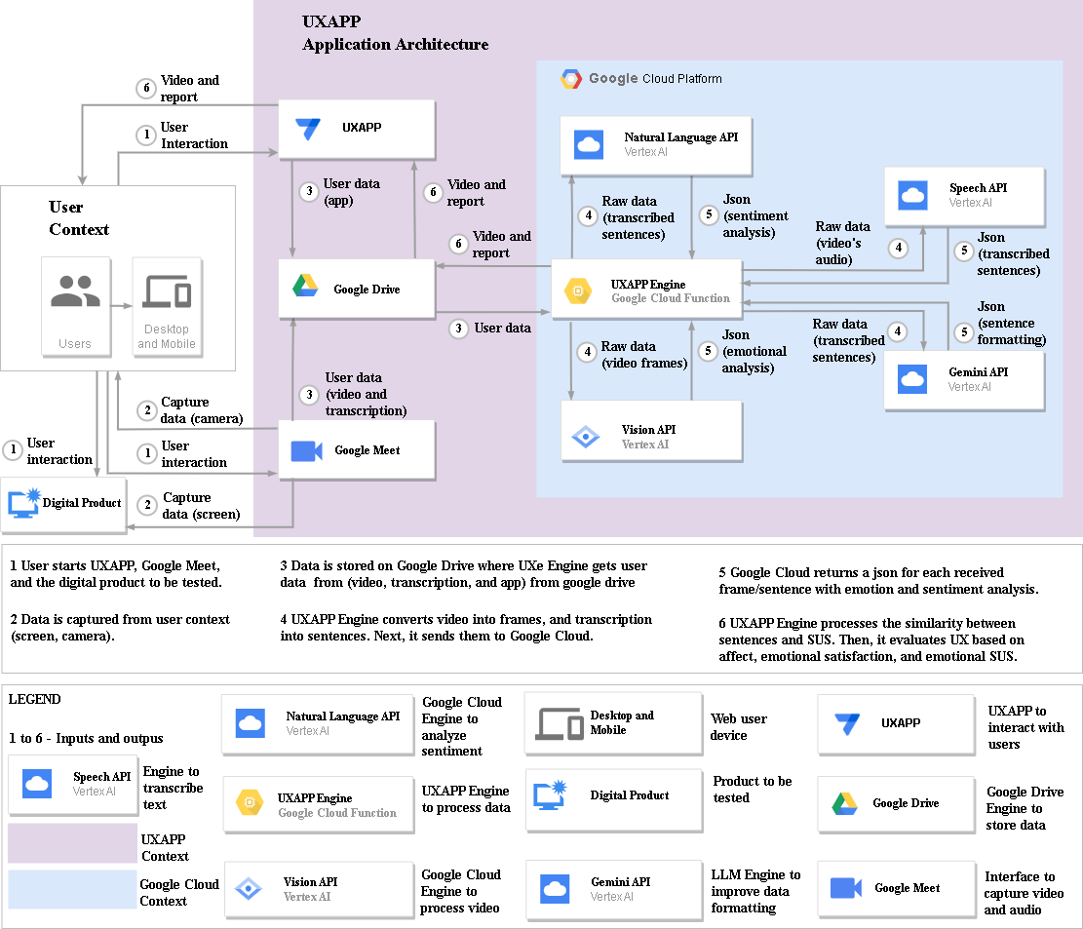

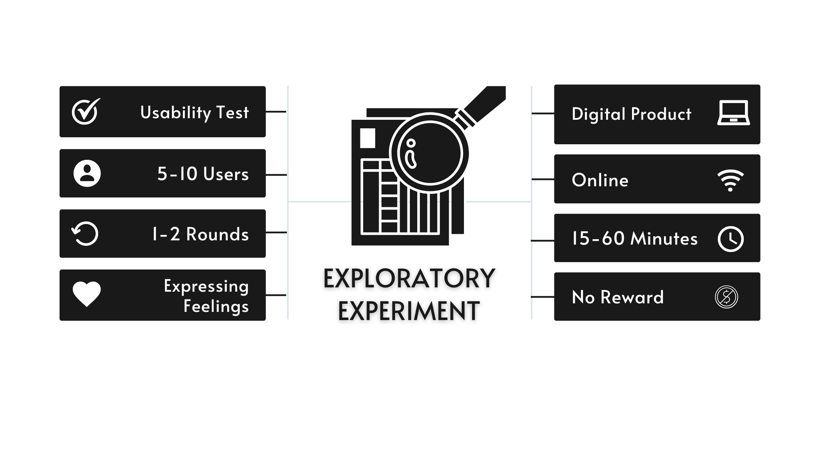

Discussion-Usability Data-v2
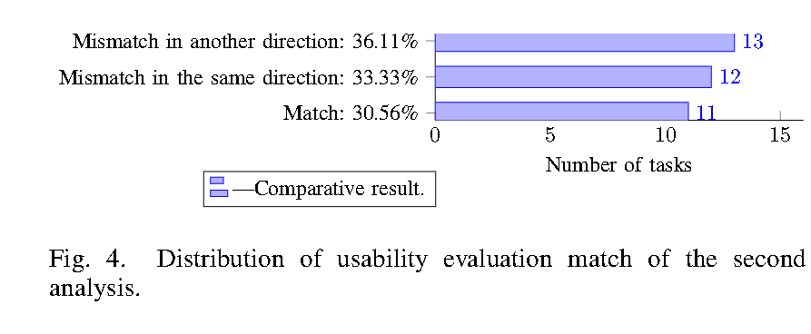
Analisys of component Usability - UXAPP
ID | Usability Informed | Usability Identified | Usability Score Informed (SUS) | Usability Score Identified (SUS) | Match | Mismatch with Same Direction | Mismatch with Another Direction | Task Number | Task Success
ET1 | Good | Good | 82.50 | 65.00 | 1 | 0 | 0 | 1 | Yes
ET2 | Neutral | Neutral | 40.00 | 47.50 | 1 | 0 | 0 | 2 | Yes
ET3 | Poor | Poor | 20.00 | 17.50 | 1 | 0 | 0 | 3 | No
ET4 | Good | Good | 97.50 | 65.00 | 1 | 0 | 0 | 4 | Yes
ET5 | Poor | Poor | 20.00 | 25.00 | 1 | 0 | 0 | 1 | No
ET6 | Poor | Neutral | 30.00 | 37.50 | 0 | 1 | 0 | 2 | No
ET7 | Good | Good | 72.50 | 75.00 | 1 | 0 | 0 | 3 | Yes
ET8 | Good | Neutral | 67.50 | 35.00 | 0 | 0 | 1 | 4 | Yes
ET9 | Poor | Good | 32.50 | 90.00 | 0 | 0 | 1 | 1 | Yes
ET10 | Neutral | Poor | 52.50 | 20.00 | 0 | 0 | 1 | 2 | No
ET11 | Good | Neutral | 80.00 | 47.50 | 0 | 0 | 1 | 3 | Yes
ET12 | Good | Poor | 80.00 | 25.00 | 0 | 0 | 1 | 4 | Yes
ET13 | Neutral | Poor | 60.00 | 10.00 | 0 | 0 | 1 | 1 | No
ET14 | Neutral | Poor | 55.00 | 17.50 | 0 | 0 | 1 | 2 | No
ET15 | Good | Poor | 80.00 | 17.50 | 0 | 0 | 1 | 3 | Yes
ET16 | Good | Neutral | 70.00 | 55.00 | 0 | 1 | 0 | 4 | Yes
ET17 | Neutral | Neutral | 40.00 | 35.00 | 1 | 0 | 0 | 1 | No
ET18 | Neutral | Poor | 45.00 | 27.50 | 0 | 1 | 0 | 2 | No
ET19 | Neutral | Poor | 47.50 | 17.50 | 0 | 1 | 0 | 3 | No
ET20 | Neutral | Poor | 45.00 | 22.50 | 0 | 1 | 0 | 4 | No
ET21 | Neutral | Poor | 50.00 | 27.50 | 0 | 1 | 0 | 1 | Yes
ET22 | Neutral | Neutral | 62.50 | 52.50 | 1 | 0 | 0 | 2 | No
ET23 | Poor | Neutral | 32.50 | 40.00 | 0 | 1 | 0 | 3 | No
ET24 | Good | Poor | 85.00 | 15.00 | 0 | 0 | 1 | 4 | Yes
ET25 | Good | Neutral | 85.00 | 55.00 | 0 | 1 | 0 | 1 | Yes
ET26 | Neutral | Poor | 40.00 | 17.50 | 0 | 1 | 0 | 2 | Yes
ET27 | Neutral | Poor | 62.50 | 20.00 | 0 | 0 | 1 | 3 | No
ET28 | Neutral | Good | 62.50 | 70.00 | 0 | 1 | 0 | 4 | Yes
ET29 | Neutral | Neutral | 50.00 | 37.50 | 1 | 0 | 0 | 1 | No
ET30 | Neutral | Poor | 45.00 | 17.50 | 0 | 1 | 0 | 2 | No
ET31 | Poor | Poor | 22.50 | 30.00 | 1 | 0 | 0 | 3 | No
ET32 | Good | Good | 75.00 | 80.00 | 1 | 0 | 0 | 4 | Yes
ET33 | Neutral | Poor | 62.50 | 20.00 | 0 | 0 | 1 | 1 | No
ET34 | Neutral | Poor | 57.50 | 22.50 | 0 | 0 | 1 | 2 | No
ET35 | Poor | Neutral | 27.50 | 45.00 | 0 | 1 | 0 | 3 | No
ET36 | Good | Neutral | 87.50 | 45.00 | 0 | 0 | 1 | 4 | Yes
 |  |  |  | Total | 11 | 12 | 13
 |  |  |  | Percentage | 30.56% | 33.33% | 36.11%

Discussion-Affect data-v2
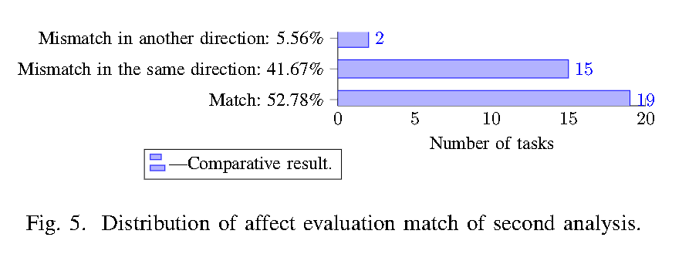
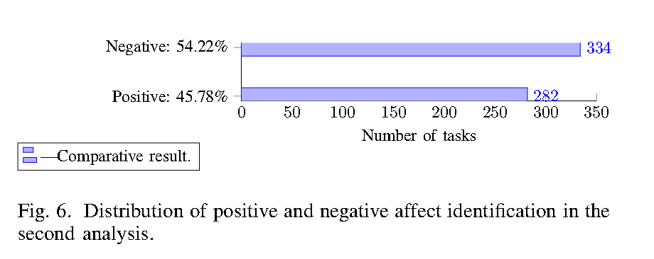
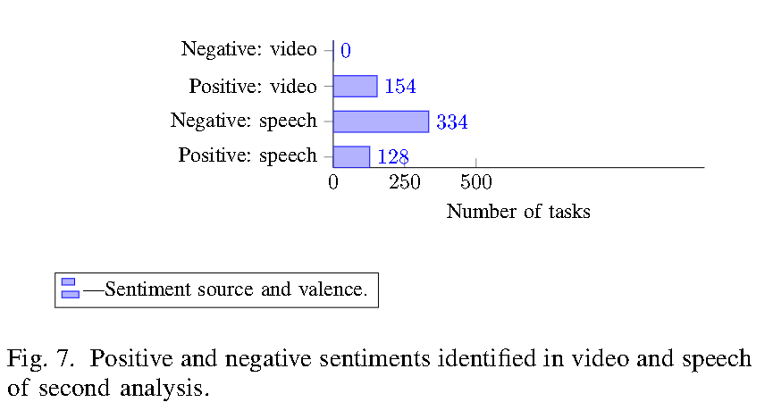
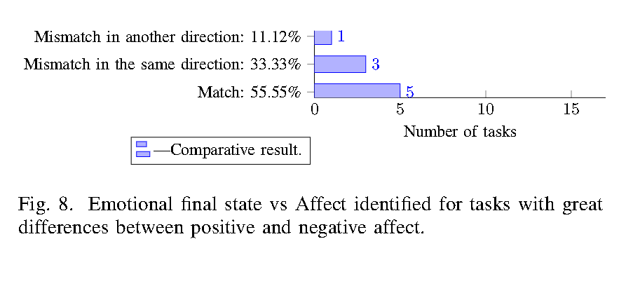
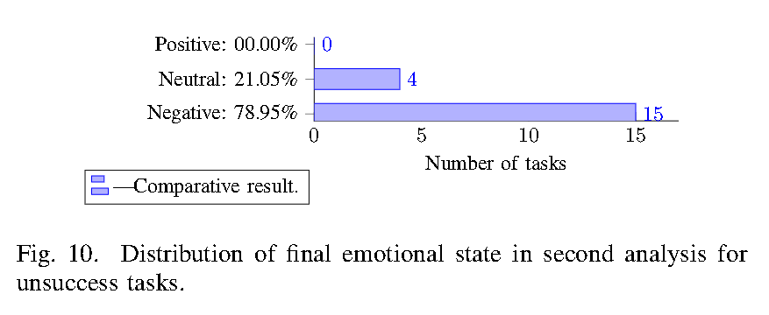
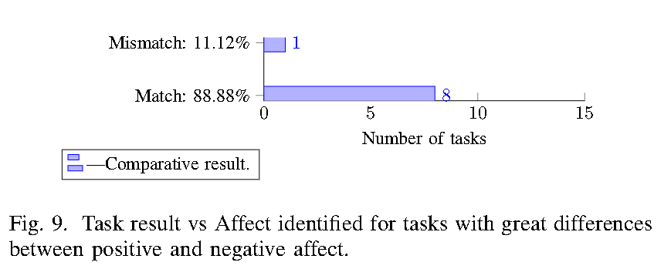
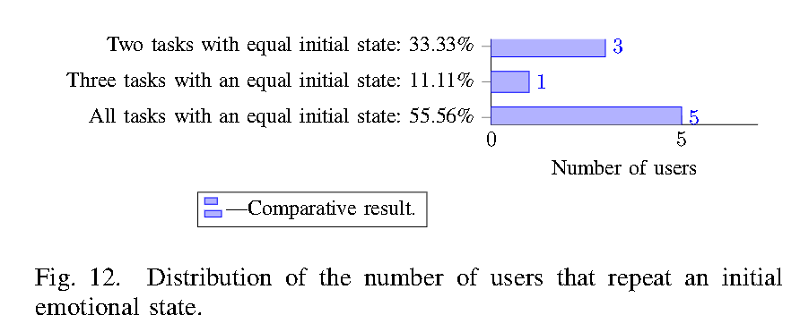
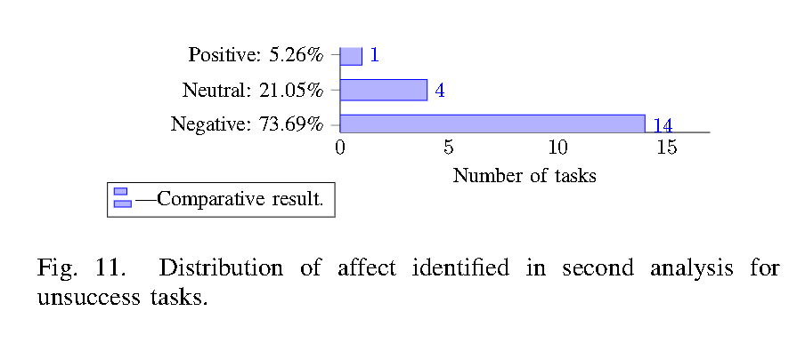
Analisys of component Affect - UXAPP |  |  |  |  |  |  |  |  |  |  |  |  |  |  | Number of tasks by situation |  |  | Number of tasks of the same user with the same initial emotional state
ID | Initial Emotional State | Final Emotional State | Affect Identified | Task Success | Stable with Task success | Stable without Task success | Change with Task success | Change without Task success | Match | Math with Same Direction | Match with Another Direction | Identified Positive Sentiments Number | Identified Negative Sentiments Number | Difference between the number of positive and negative sentiments identified |  | Stable with Task success and initial state positive | Change without Task success and final state negative | ID | Task Number | Task Success | Duration | Initial Emotional State | Number of tasks of the same user with the same initial emotional state | Number of Tasks with same initial emotional state | Quantity of tasks
ET1 | Positive | Positive | Positive | Yes | 1 | 0 | 0 | 0 | 1 | 0 | 0 | 27 | 7 | 20 | Yes | 3 | 12 | ET1 | 1 | Yes | 0:05:40 | Positive | 4 | 4 | 5
ET2 | Positive | Negative | Negative | Yes | 0 | 0 | 1 | 0 | 1 | 0 | 0 | 1 | 17 | -16 | No | 1 | 2 | ET2 | 2 | Yes | 0:06:37 | Positive |  | 3 | 1
ET3 | Positive | Negative | Negative | No | 0 | 0 | 0 | 1 | 1 | 0 | 0 | 1 | 20 | -19 |  |  |  | ET3 | 3 | No | 0:10:55 | Positive |  | 2 | 3
ET4 | Positive | Neutral | Positive | Yes | 0 | 0 | 1 | 0 | 0 | 1 | 0 | 9 | 2 | 7 |  |  |  | ET4 | 4 | Yes | 0:03:33 | Positive
ET5 | Negative | Negative | Negative | No | 0 | 1 | 0 | 0 | 1 | 0 | 0 | 2 | 19 | -17 |  |  |  | ET5 | 1 | No | 0:18:06 | Negative | 3
ET6 | Negative | Negative | Negative | No | 0 | 1 | 0 | 0 | 1 | 0 | 0 | 2 | 10 | -8 |  |  |  | ET6 | 2 | No | 0:08:44 | Negative
ET7 | Negative | Positive | Positive | Yes | 0 | 0 | 1 | 0 | 1 | 0 | 0 | 7 | 1 | 6 |  |  |  | ET7 | 3 | Yes | 0:08:59 | Negative
ET8 | Neutral | Positive | Negative | Yes | 0 | 0 | 1 | 0 | 0 | 0 | 1 | 1 | 5 | -4 |  |  |  | ET8 | 4 | Yes | 0:06:05 | Neutral
ET9 | Neutral | Negative | Neutral | Yes | 0 | 0 | 1 | 0 | 0 | 1 | 0 | 9 | 16 | -7 |  |  |  | ET9 | 1 | Yes | 0:10:48 | Neutral | 2
ET10 | Negative | Negative | Negative | No | 0 | 1 | 0 | 0 | 1 | 0 | 0 | 3 | 12 | -9 |  |  |  | ET10 | 2 | No | 0:05:15 | Negative
ET11 | Negative | Positive | Neutral | Yes | 0 | 0 | 1 | 0 | 0 | 1 | 0 | 18 | 12 | 6 |  |  |  | ET11 | 3 | Yes | 0:09:32 | Negative
ET12 | Positive | Neutral | Neutral | Yes | 0 | 0 | 1 | 0 | 1 | 0 | 0 | 5 | 7 | -2 |  |  |  | ET12 | 4 | Yes | 0:04:18 | Positive
ET13 | Neutral | Neutral | Negative | No | 0 | 1 | 0 | 0 | 0 | 1 | 0 | 5 | 31 | -26 |  |  |  | ET13 | 1 | No | 0:19:02 | Neutral | 4
ET14 | Neutral | Neutral | Negative | No | 0 | 1 | 0 | 0 | 0 | 1 | 0 | 2 | 14 | -12 |  |  |  | ET14 | 2 | No | 0:06:38 | Neutral
ET15 | Neutral | Positive | Positive | Yes | 0 | 0 | 1 | 0 | 1 | 0 | 0 | 9 | 4 | 5 |  |  |  | ET15 | 3 | Yes | 0:07:51 | Neutral
ET16 | Neutral | Neutral | Neutral | Yes | 1 | 0 | 0 | 0 | 1 | 0 | 0 | 4 | 7 | -3 |  |  |  | ET16 | 4 | Yes | 0:05:42 | Neutral
ET17 | Neutral | Negative | Negative | No | 0 | 0 | 0 | 1 | 1 | 0 | 0 | 5 | 11 | -6 |  |  |  | ET17 | 1 | No | 0:21:46 | Neutral | 4
ET18 | Neutral | Negative | Negative | No | 0 | 0 | 0 | 1 | 1 | 0 | 0 | 2 | 7 | -5 |  |  |  | ET18 | 2 | No | 0:06:34 | Neutral
ET19 | Neutral | Negative | Negative | No | 0 | 0 | 0 | 1 | 1 | 0 | 0 | 2 | 5 | -3 |  |  |  | ET19 | 3 | No | 0:08:18 | Neutral
ET20 | Neutral | Negative | Negative | No | 0 | 0 | 0 | 1 | 1 | 0 | 0 | 0 | 4 | -4 |  |  |  | ET20 | 4 | No | 0:07:36 | Neutral
ET21 | Positive | Neutral | Negative | Yes | 0 | 0 | 1 | 0 | 0 | 1 | 0 | 5 | 13 | -8 |  |  |  | ET21 | 1 | Yes | 0:09:44 | Positive | 4
ET22 | Positive | Negative | Neutral | No | 0 | 0 | 0 | 1 | 0 | 1 | 0 | 3 | 5 | -2 |  |  |  | ET22 | 2 | No | 0:05:28 | Positive
ET23 | Positive | Negative | Neutral | No | 0 | 0 | 0 | 1 | 0 | 1 | 0 | 6 | 9 | -3 |  |  |  | ET23 | 3 | No | 0:08:58 | Positive
ET24 | Positive | Positive | Neutral | Yes | 1 | 0 | 0 | 0 | 0 | 1 | 0 | 3 | 4 | -1 |  |  |  | ET24 | 4 | Yes | 0:05:16 | Positive
ET25 | Positive | Neutral | Positive | Yes | 0 | 0 | 1 | 0 | 0 | 1 | 0 | 35 | 4 | 31 |  |  |  | ET25 | 1 | Yes | 0:17:45 | Positive | 4
ET26 | Positive | Negative | Positive | Yes | 0 | 0 | 1 | 0 | 0 | 0 | 1 | 26 | 4 | 22 |  |  |  | ET26 | 2 | Yes | 0:05:27 | Positive
ET27 | Positive | Neutral | Positive | No | 0 | 0 | 0 | 1 | 0 | 1 | 0 | 19 | 10 | 9 |  |  |  | ET27 | 3 | No | 0:08:08 | Positive
ET28 | Positive | Positive | Positive | Yes | 1 | 0 | 0 | 0 | 1 | 0 | 0 | 24 | 4 | 20 |  |  |  | ET28 | 4 | Yes | 0:06:20 | Positive
ET29 | Neutral | Negative | Negative | No | 0 | 0 | 0 | 1 | 1 | 0 | 0 | 2 | 8 | -6 |  |  |  | ET29 | 1 | No | 0:13:24 | Neutral | 2
ET30 | Positive | Neutral | Negative | No | 0 | 0 | 0 | 1 | 0 | 1 | 0 | 0 | 4 | -4 |  |  |  | ET30 | 2 | No | 0:07:16 | Positive
ET31 | Positive | Negative | Neutral | No | 0 | 0 | 0 | 1 | 0 | 1 | 0 | 12 | 11 | 1 |  |  |  | ET31 | 3 | No | 0:11:30 | Positive
ET32 | Negative | Positive | Positive | Yes | 0 | 0 | 1 | 0 | 1 | 0 | 0 | 2 | 0 | 2 |  |  |  | ET32 | 4 | Yes | 0:03:05 | Negative
ET33 | Positive | Negative | Neutral | No | 0 | 0 | 0 | 1 | 0 | 1 | 0 | 23 | 24 | -1 |  |  |  | ET33 | 1 | No | 0:23:04 | Positive | 2
ET34 | Positive | Negative | Negative | No | 0 | 0 | 0 | 1 | 1 | 0 | 0 | 4 | 9 | -5 |  |  |  | ET34 | 2 | No | 0:07:42 | Positive
ET35 | Neutral | Negative | Negative | No | 0 | 0 | 0 | 1 | 1 | 0 | 0 | 1 | 9 | -8 |  |  |  | ET35 | 3 | No | 0:09:47 | Neutral
ET36 | Negative | Positive | Neutral | Yes | 0 | 0 | 1 | 0 | 0 | 1 | 0 | 3 | 5 | -2 |  |  |  | ET36 | 4 | Yes | 0:10:38 | Negative
 |  |  |  | Total | 4 | 5 | 13 | 14 | 19 | 15 | 2 | 282 | 334
 |  |  |  | Percentage | 11.11% | 13.89% | 36.11% | 38.89% | 52.78% | 41.67% | 5.56% | 45.78% | 54.22%

Discussion-User value-v2
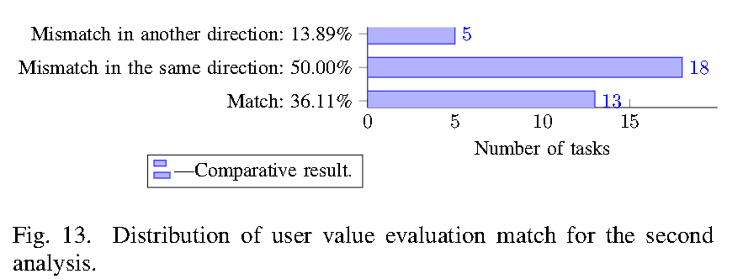
Analisys of component User Value (User satisfaction) - UXAPP
ID | Manual Geral Satisfaction | User Value Identified | Match | Math with Same Direction | Match with Another Direction | Task Number | Task Success
ET1 | Satisfied | Satisfied | 1 | 0 | 0 | 1 | Yes
ET2 | Dissatisfied | Neither satisfied nor dissatisfied | 0 | 1 | 0 | 2 | Yes
ET3 | Dissatisfied | Neither satisfied nor dissatisfied | 0 | 1 | 0 | 3 | No
ET4 | Satisfied | Neither satisfied nor dissatisfied | 0 | 1 | 0 | 4 | Yes
ET5 | Dissatisfied | Satisfied | 0 | 0 | 1 | 1 | No
ET6 | Dissatisfied | Satisfied | 0 | 0 | 1 | 2 | No
ET7 | Satisfied | Satisfied | 1 | 0 | 0 | 3 | Yes
ET8 | Satisfied | Neither satisfied nor dissatisfied | 0 | 1 | 0 | 4 | Yes
ET9 | Neither satisfied nor dissatisfied | Satisfied | 0 | 1 | 0 | 1 | Yes
ET10 | Dissatisfied | Neither satisfied nor dissatisfied | 0 | 1 | 0 | 2 | No
ET11 | Satisfied | Satisfied | 1 | 0 | 0 | 3 | Yes
ET12 | Satisfied | Satisfied | 1 | 0 | 0 | 4 | Yes
ET13 | Neither satisfied nor dissatisfied | Neither satisfied nor dissatisfied | 1 | 0 | 0 | 1 | No
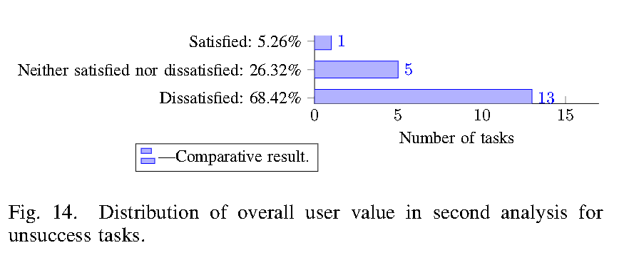
ET14 | Dissatisfied | Neither satisfied nor dissatisfied | 0 | 1 | 0 | 2 | No
ET15 | Satisfied | Neither satisfied nor dissatisfied | 0 | 1 | 0 | 3 | Yes
ET16 | Neither satisfied nor dissatisfied | Neither satisfied nor dissatisfied | 1 | 0 | 0 | 4 | Yes
ET17 | Neither satisfied nor dissatisfied | Neither satisfied nor dissatisfied | 1 | 0 | 0 | 1 | No
ET18 | Dissatisfied | Neither satisfied nor dissatisfied | 0 | 1 | 0 | 2 | No
ET19 | Dissatisfied | Neither satisfied nor dissatisfied | 0 | 1 | 0 | 3 | No
ET20 | Dissatisfied | Neither satisfied nor dissatisfied | 0 | 1 | 0 | 4 | No
ET21 | Satisfied | Neither satisfied nor dissatisfied | 0 | 1 | 0 | 1 | Yes
ET22 | Neither satisfied nor dissatisfied | Neither satisfied nor dissatisfied | 1 | 0 | 0 | 2 | No
ET23 | Dissatisfied | Satisfied | 0 | 0 | 1 | 3 | No
ET24 | Satisfied | Neither satisfied nor dissatisfied | 0 | 1 | 0 | 4 | Yes
ET25 | Satisfied | Satisfied | 1 | 0 | 0 | 1 | Yes
ET26 | Neither satisfied nor dissatisfied | Satisfied | 0 | 1 | 0 | 2 | Yes
ET27 | Satisfied | Satisfied | 1 | 0 | 0 | 3 | No
ET28 | Satisfied | Satisfied | 1 | 0 | 0 | 4 | Yes
ET29 | Neither satisfied nor dissatisfied | Neither satisfied nor dissatisfied | 1 | 0 | 0 | 1 | No
ET30 | Dissatisfied | Neither satisfied nor dissatisfied | 0 | 1 | 0 | 2 | No
ET31 | Dissatisfied | Satisfied | 0 | 0 | 1 | 3 | No
ET32 | Satisfied | Neither satisfied nor dissatisfied | 0 | 1 | 0 | 4 | Yes
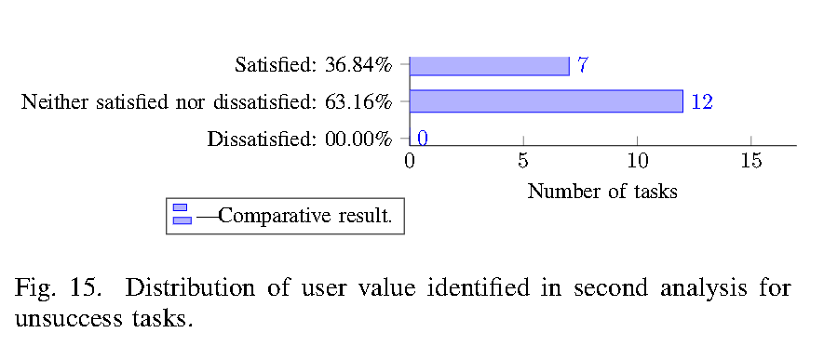
ET33 | Dissatisfied | Satisfied | 0 | 0 | 1 | 1 | No
ET34 | Neither satisfied nor dissatisfied | Satisfied | 0 | 1 | 0 | 2 | No
ET35 | Dissatisfied | Neither satisfied nor dissatisfied | 0 | 1 | 0 | 3 | No
ET36 | Satisfied | Satisfied | 1 | 0 | 0 | 4 | Yes
 |  | Total | 13 | 18 | 5
 |  | Percentage | 36.11% | 50.00% | 13.89%

Discussion-UX Evaluation-v2
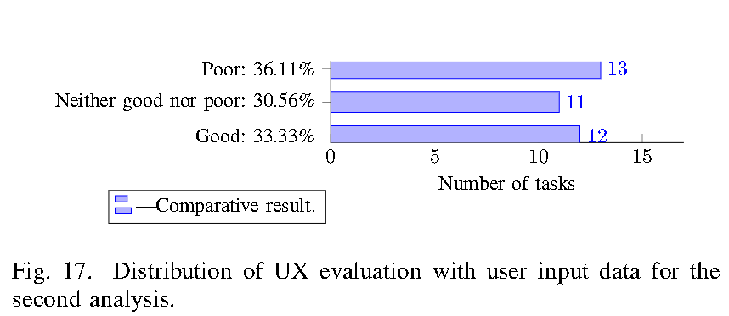
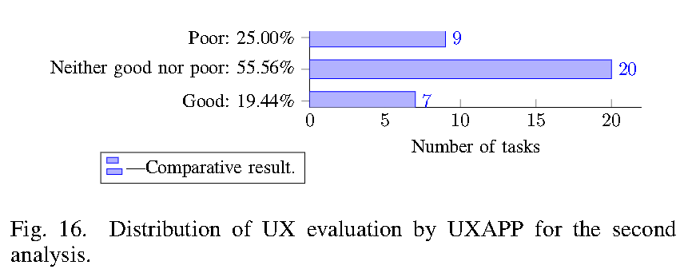
Analysis of the UX Evaluation - UXAPP |  |  |  |  |  |  | Analysis of the UX Evaluation - User Input |  |  |  |  |  |  |  |  |  |  |  | Comparison between UX Evaluation - UXAPP and UX Evaluation - User Input
ID | UX Evaluation - UXAPP | Task Number | Task Success | User Experience Evaluation | Quantity | Percentage | ID | Usability Informed (Usability - User) | Final Emotional State (Affect - User) | Manual Geral Satisfaction (User Value - User) | Usability Informed (Usability - User) - Points | Final Emotional State (Affect - User) - Points | Manual Geral Satisfaction (User Value - User) - Points | UX Evaluation (User) - Score | UX Evaluation (User) - Scale | UX Evaluation (User) - Scale | Quantity | Percentage | ID | UX Evaluation - UXAPP | UXEvaluation - User | Match | Math with Same Direction | Match with Another Direction
ET1 | Good | 1 | Yes | Good | 7 | 19.44% | ET1 | Good | Positive | Satisfied | 1 | 1 | 1 | 3 | Good | Good | 12 | 33.33% | ET1 | Good | Good | 1 | 0 | 0
ET2 | Neither good nor poor | 2 | Yes | Neither good nor poor | 20 | 55.56% | ET2 | Neutral | Negative | Dissatisfied | 0 | -1 | -1 | -2 | Poor | Neither good nor poor | 11 | 30.56% | ET2 | Neither good nor poor | Poor | 0 | 1 | 0
ET3 | Poor | 3 | No | Poor | 9 | 25.00% | ET3 | Poor | Negative | Dissatisfied | -1 | -1 | -1 | -3 | Poor | Poor | 13 | 36.11% | ET3 | Poor | Poor | 1 | 0 | 0
ET4 | Good | 4 | Yes |  |  |  | ET4 | Good | Neutral | Satisfied | 1 | 0 | 1 | 2 | Good |  |  |  | ET4 | Good | Good | 1 | 0 | 0
ET5 | Neither good nor poor | 1 | No |  |  |  | ET5 | Poor | Negative | Dissatisfied | -1 | -1 | -1 | -3 | Poor |  |  |  | ET5 | Neither good nor poor | Poor | 0 | 1 | 0
ET6 | Neither good nor poor | 2 | No |  |  |  | ET6 | Poor | Negative | Dissatisfied | -1 | -1 | -1 | -3 | Poor |  |  |  | ET6 | Neither good nor poor | Poor | 0 | 1 | 0
ET7 | Good | 3 | Yes |  |  |  | ET7 | Good | Positive | Satisfied | 1 | 1 | 1 | 3 | Good |  |  |  | ET7 | Good | Good | 1 | 0 | 0
ET8 | Neither good nor poor | 4 | Yes |  |  |  | ET8 | Good | Positive | Satisfied | 1 | 1 | 1 | 3 | Good |  |  |  | ET8 | Neither good nor poor | Good | 0 | 1 | 0
ET9 | Good | 1 | Yes |  |  |  | ET9 | Poor | Negative | Neither satisfied nor dissatisfied | -1 | -1 | 0 | -2 | Poor |  |  |  | ET9 | Good | Poor | 0 | 0 | 1
ET10 | Poor | 2 | No |  |  |  | ET10 | Neutral | Negative | Dissatisfied | 0 | -1 | -1 | -2 | Poor |  |  |  | ET10 | Poor | Poor | 1 | 0 | 0
ET11 | Neither good nor poor | 3 | Yes |  |  |  | ET11 | Good | Positive | Satisfied | 1 | 1 | 1 | 3 | Good |  |  |  | ET11 | Neither good nor poor | Good | 0 | 1 | 0
ET12 | Neither good nor poor | 4 | Yes |  |  |  | ET12 | Good | Neutral | Satisfied | 1 | 0 | 1 | 2 | Good |  |  |  | ET12 | Neither good nor poor | Good | 0 | 1 | 0
ET13 | Poor | 1 | No |  |  |  | ET13 | Neutral | Neutral | Neither satisfied nor dissatisfied | 0 | 0 | 0 | 0 | Neither good nor poor |  |  |  | ET13 | Poor | Neither good nor poor | 0 | 1 | 0
ET14 | Poor | 2 | No |  |  |  | ET14 | Neutral | Neutral | Dissatisfied | 0 | 0 | -1 | -1 | Neither good nor poor |  |  |  | ET14 | Poor | Neither good nor poor | 0 | 1 | 0
ET15 | Neither good nor poor | 3 | Yes |  |  |  | ET15 | Good | Positive | Satisfied | 1 | 1 | 1 | 3 | Good |  |  |  | ET15 | Neither good nor poor | Good | 0 | 1 | 0
ET16 | Neither good nor poor | 4 | Yes |  |  |  | ET16 | Good | Neutral | Neither satisfied nor dissatisfied | 1 | 0 | 0 | 1 | Neither good nor poor |  |  |  | ET16 | Neither good nor poor | Neither good nor poor | 1 | 0 | 0
ET17 | Neither good nor poor | 1 | No |  |  |  | ET17 | Neutral | Negative | Neither satisfied nor dissatisfied | 0 | -1 | 0 | -1 | Neither good nor poor |  |  |  | ET17 | Neither good nor poor | Neither good nor poor | 1 | 0 | 0
ET18 | Poor | 2 | No |  |  |  | ET18 | Neutral | Negative | Dissatisfied | 0 | -1 | -1 | -2 | Poor |  |  |  | ET18 | Poor | Poor | 1 | 0 | 0
ET19 | Poor | 3 | No |  |  |  | ET19 | Neutral | Negative | Dissatisfied | 0 | -1 | -1 | -2 | Poor |  |  |  | ET19 | Poor | Poor | 1 | 0 | 0
ET20 | Poor | 4 | No |  |  |  | ET20 | Neutral | Negative | Dissatisfied | 0 | -1 | -1 | -2 | Poor |  |  |  | ET20 | Poor | Poor | 1 | 0 | 0
ET21 | Poor | 1 | Yes |  |  |  | ET21 | Neutral | Neutral | Satisfied | 0 | 0 | 1 | 1 | Neither good nor poor |  |  |  | ET21 | Poor | Neither good nor poor | 0 | 1 | 0
ET22 | Neither good nor poor | 2 | No |  |  |  | ET22 | Neutral | Negative | Neither satisfied nor dissatisfied | 0 | -1 | 0 | -1 | Neither good nor poor |  |  |  | ET22 | Neither good nor poor | Neither good nor poor | 1 | 0 | 0
ET23 | Neither good nor poor | 3 | No |  |  |  | ET23 | Poor | Negative | Dissatisfied | -1 | -1 | -1 | -3 | Poor |  |  |  | ET23 | Neither good nor poor | Poor | 0 | 1 | 0
ET24 | Neither good nor poor | 4 | Yes |  |  |  | ET24 | Good | Positive | Satisfied | 1 | 1 | 1 | 3 | Good |  |  |  | ET24 | Neither good nor poor | Good | 0 | 1 | 0
ET25 | Good | 1 | Yes |  |  |  | ET25 | Good | Neutral | Satisfied | 1 | 0 | 1 | 2 | Good |  |  |  | ET25 | Good | Good | 1 | 0 | 0
ET26 | Neither good nor poor | 2 | Yes |  |  |  | ET26 | Neutral | Negative | Neither satisfied nor dissatisfied | 0 | -1 | 0 | -1 | Neither good nor poor |  |  |  | ET26 | Neither good nor poor | Neither good nor poor | 1 | 0 | 0
ET27 | Neither good nor poor | 3 | No |  |  |  | ET27 | Neutral | Neutral | Satisfied | 0 | 0 | 1 | 1 | Neither good nor poor |  |  |  | ET27 | Neither good nor poor | Neither good nor poor | 1 | 0 | 0
ET28 | Good | 4 | Yes |  |  |  | ET28 | Neutral | Positive | Satisfied | 0 | 1 | 1 | 2 | Good |  |  |  | ET28 | Good | Good | 1 | 0 | 0
ET29 | Neither good nor poor | 1 | No |  |  |  | ET29 | Neutral | Negative | Neither satisfied nor dissatisfied | 0 | -1 | 0 | -1 | Neither good nor poor |  |  |  | ET29 | Neither good nor poor | Neither good nor poor | 1 | 0 | 0
ET30 | Poor | 2 | No |  |  |  | ET30 | Neutral | Neutral | Dissatisfied | 0 | 0 | -1 | -1 | Neither good nor poor |  |  |  | ET30 | Poor | Neither good nor poor | 0 | 1 | 0
ET31 | Neither good nor poor | 3 | No |  |  |  | ET31 | Poor | Negative | Dissatisfied | -1 | -1 | -1 | -3 | Poor |  |  |  | ET31 | Neither good nor poor | Poor | 0 | 1 | 0
ET32 | Good | 4 | Yes |  |  |  | ET32 | Good | Positive | Satisfied | 1 | 1 | 1 | 3 | Good |  |  |  | ET32 | Good | Good | 1 | 0 | 0
ET33 | Neither good nor poor | 1 | No |  |  |  | ET33 | Neutral | Negative | Dissatisfied | 0 | -1 | -1 | -2 | Poor |  |  |  | ET33 | Neither good nor poor | Poor | 0 | 1 | 0
ET34 | Neither good nor poor | 2 | No |  |  |  | ET34 | Neutral | Negative | Neither satisfied nor dissatisfied | 0 | -1 | 0 | -1 | Neither good nor poor |  |  |  | ET34 | Neither good nor poor | Neither good nor poor | 1 | 0 | 0
ET35 | Neither good nor poor | 3 | No |  |  |  | ET35 | Poor | Negative | Dissatisfied | -1 | -1 | -1 | -3 | Poor |  |  |  | ET35 | Neither good nor poor | Poor | 0 | 1 | 0
ET36 | Neither good nor poor | 4 | Yes |  |  |  | ET36 | Good | Positive | Satisfied | 1 | 1 | 1 | 3 | Good |  |  |  | ET36 | Neither good nor poor | Good | 0 | 1 | 0
 |  |  |  |  |  |  |  |  |  |  |  |  |  |  |  |  |  |  |  |  | Totals | 18 | 17 | 1
 |  |  |  |  |  |  |  |  |  |  |  |  |  |  |  |  |  |  |  |  | Percentage | 50.00% | 47.22% | 2.78%

User Satisfaction - UXAPP
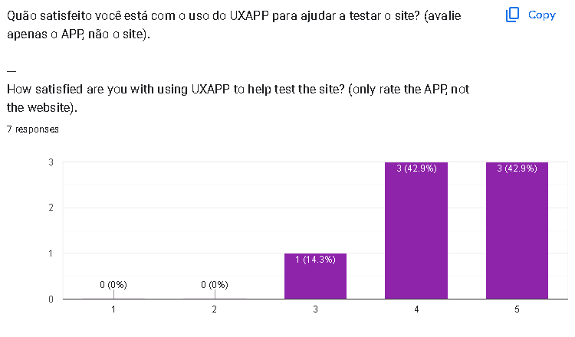
User satisfaction with UXAPP
Comment | Valence
Covers the main needs for testing the product | Positive
The system is very useful for evaluating the website. | Positive
I think it gives a good idea for carrying out usability testing, and the combination with the SUS questionnaire is really cool! But it is not very clear, at first glance, what action should be taken at each moment. After using it for a couple of tests, it becomes clearer. | Positive and negative
Addressed several test questions. | Neutral
I found it interesting and innovative. | Positive
As a result of helping to improve the application | Positive
I couldn't use it. | Negative

